1일차
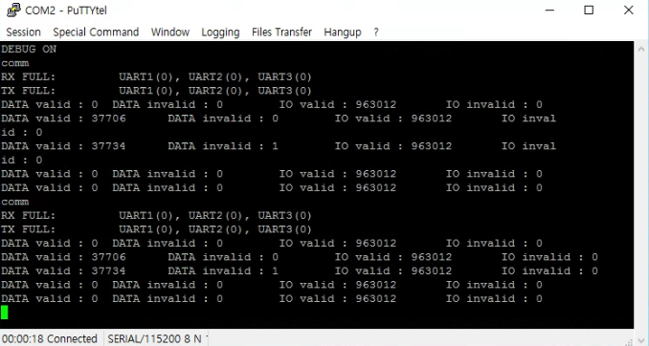

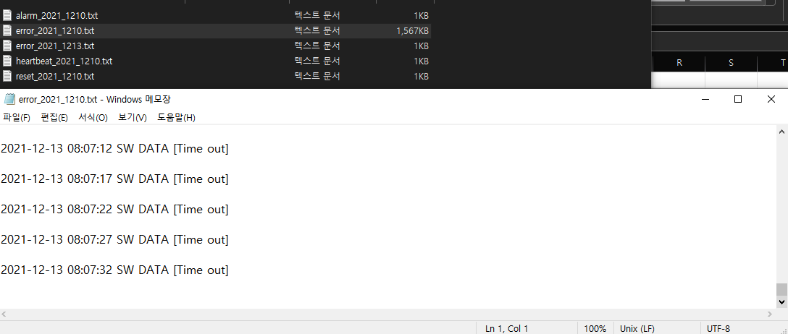
2021-12-10 13:21:05 SD Card Inserted!
2021-12-10 13:21:06 SW DATA [Time out]
2021-12-10 13:21:12 SW DATA [Time out]
2021-12-10 13:21:18 SW DATA [Time out]
2021-12-10 13:21:24 SW DATA [Time out]
2021-12-10 13:21:30 SW DATA [Time out]
2021-12-10 13:21:36 SW DATA [Time out]
2021-12-10 13:21:42 SW DATA [Time out]
2021-12-10 13:21:48 SW DATA [Time out]
2021-12-10 13:21:54 SW DATA [Time out]
2021-12-10 13:22:00 SW DATA [Time out]
2021-12-10 13:22:06 SW DATA [Time out]
2021-12-10 13:22:12 SW DATA [Time out]
2021-12-10 13:22:18 SW DATA [Time out]
2021-12-10 13:22:24 SW DATA [Time out]
2021-12-10 13:22:30 SW DATA [Time out]
2021-12-10 13:22:36 SW DATA [Time out]
2021-12-10 13:22:42 SW DATA [Time out]
2021-12-10 13:22:48 SW DATA [Time out]
2021-12-10 13:22:54 SW DATA [Time out] | 저장 시간 : 12/10 13:21:05 ~ 12/13 08:07:12 (대략 67시간)
2021-12-10 13:23:00 SW DATA [Time out] | 저장 용량 : 1,567KB
2021-12-10 13:23:06 SW DATA [Time out] | 최대 저장 가능 시간
2021-12-10 13:23:12 SW DATA [Time out] | : 1,567KB / 67H = 23.3880KB/H
2021-12-10 13:23:18 SW DATA [Time out] | : 32GB(33,554,432KB) / (23.3880KB/H) = 1,434,685.82H
2021-12-10 13:23:24 SW DATA [Time out] | : 1,434,685.82H / 24H = 59,778.58 Day
2021-12-10 13:23:30 SW DATA [Time out] | : 163.78 Year
2021-12-10 13:23:36 SW DATA [Time out]
2021-12-10 13:23:42 SW DATA [Time out]
2021-12-10 13:23:48 SW DATA [Time out]
2021-12-10 13:23:54 SW DATA [Time out] | 2021-12-10 13:21:05 SD Card Inserted!
2021-12-10 13:24:00 SW DATA [Time out] | 2021-12-13 08:07:34 SD Card Ejected!
2021-12-10 13:24:06 SW DATA [Time out]
2021-12-10 13:24:12 SW DATA [Time out]
2021-12-10 13:24:18 SW DATA [Time out]
2021-12-10 13:24:24 SW DATA [Time out]
2021-12-10 13:24:30 SW DATA [Time out]
2021-12-10 13:24:36 SW DATA [Time out]
2021-12-10 13:24:42 SW DATA [Time out]
2021-12-10 13:24:48 SW DATA [Time out]
2021-12-10 13:24:54 SW DATA [Time out]
2021-12-10 13:25:00 SW DATA [Time out]
2021-12-10 13:25:06 SW DATA [Time out]
2021-12-10 13:25:12 SW DATA [Time out]
2021-12-10 13:25:18 SW DATA [Time out]
2021-12-10 13:25:24 SW DATA [Time out]
2021-12-10 13:25:30 SW DATA [Time out]
2021-12-10 13:25:36 SW DATA [Time out]
2021-12-10 13:25:42 SW DATA [Time out]
2021-12-10 13:25:48 SW DATA [Time out]
2021-12-10 13:25:54 SW DATA [Time out]
2021-12-10 13:26:00 SW DATA [Time out]
2021-12-10 13:26:06 SW DATA [Time out]
2021-12-10 13:26:12 SW DATA [Time out]
2021-12-10 13:26:18 SW DATA [Time out]
2021-12-10 13:26:24 SW DATA [Time out]
2021-12-10 13:26:30 SW DATA [Time out]
2021-12-10 13:26:36 SW DATA [Time out]
2021-12-10 13:26:42 SW DATA [Time out]
2021-12-10 13:26:48 SW DATA [Time out]
2021-12-10 13:26:54 SW DATA [Time out]
2021-12-10 13:27:00 SW DATA [Time out]
2021-12-10 13:27:06 SW DATA [Time out]
2021-12-10 13:27:12 SW DATA [Time out]
2021-12-10 13:27:18 SW DATA [Time out]
2021-12-10 13:27:24 SW DATA [Time out]
2021-12-10 13:27:30 SW DATA [Time out]
2021-12-10 13:27:36 SW DATA [Time out]
2021-12-10 13:27:42 SW DATA [Time out]
2021-12-10 13:27:48 SW DATA [Time out]
2021-12-10 13:27:54 SW DATA [Time out]
2021-12-10 13:28:00 SW DATA [Time out]
2021-12-10 13:28:06 SW DATA [Time out]
2021-12-10 13:28:12 SW DATA [Time out]
2021-12-10 13:28:18 SW DATA [Time out]
2021-12-10 13:28:24 SW DATA [Time out]
2021-12-10 13:28:30 SW DATA [Time out]
2021-12-10 13:28:36 SW DATA [Time out]
2021-12-10 13:28:42 SW DATA [Time out]
2021-12-10 13:28:48 SW DATA [Time out]
2021-12-10 13:28:54 SW DATA [Time out]
2021-12-10 13:29:00 SW DATA [Time out]
2021-12-10 13:29:06 SW DATA [Time out]
2021-12-10 13:29:12 SW DATA [Time out]
2021-12-10 13:29:18 SW DATA [Time out]
2021-12-10 13:29:24 SW DATA [Time out]
2021-12-10 13:29:30 SW DATA [Time out]
2021-12-10 13:29:36 SW DATA [Time out]
2021-12-10 13:29:42 SW DATA [Time out]
2021-12-10 13:29:48 SW DATA [Time out]
2021-12-10 13:29:54 SW DATA [Time out]
2021-12-10 13:30:00 SW DATA [Time out]
2021-12-10 13:30:06 SW DATA [Time out]
2021-12-10 13:30:12 SW DATA [Time out]
2021-12-10 13:30:18 SW DATA [Time out]
2021-12-10 13:30:24 SW DATA [Time out]
2021-12-10 13:30:30 SW DATA [Time out]
2021-12-10 13:30:36 SW DATA [Time out]
2021-12-10 13:30:42 SW DATA [Time out]
2021-12-10 13:30:48 SW DATA [Time out]
2021-12-10 13:30:54 SW DATA [Time out]
2021-12-10 13:31:00 SW DATA [Time out]
2021-12-10 13:31:06 SW DATA [Time out]
2021-12-10 13:31:12 SW DATA [Time out]
2021-12-10 13:31:18 SW DATA [Time out]
2021-12-10 13:31:24 SW DATA [Time out]
2021-12-10 13:31:30 SW DATA [Time out]
2021-12-10 13:31:36 SW DATA [Time out]
2021-12-10 13:31:42 SW DATA [Time out]
2021-12-10 13:31:48 SW DATA [Time out]
2021-12-10 13:31:54 SW DATA [Time out]
2021-12-10 13:32:00 SW DATA [Time out]
2021-12-10 13:32:06 SW DATA [Time out]
2021-12-10 13:32:12 SW DATA [Time out]
2021-12-10 13:32:18 SW DATA [Time out]
2021-12-10 13:32:24 SW DATA [Time out]
2021-12-10 13:32:30 SW DATA [Time out]
2021-12-10 13:32:36 SW DATA [Time out]
2021-12-10 13:32:42 SW DATA [Time out]
2021-12-10 13:32:48 SW DATA [Time out]
2021-12-10 13:32:54 SW DATA [Time out]
2021-12-10 13:33:00 SW DATA [Time out]
2021-12-10 13:33:06 SW DATA [Time out]
2021-12-10 13:33:12 SW DATA [Time out]
2021-12-10 13:33:18 SW DATA [Time out]
2021-12-10 13:33:24 SW DATA [Time out]
2021-12-10 13:33:30 SW DATA [Time out]
2021-12-10 13:33:36 SW DATA [Time out]
2021-12-10 13:33:42 SW DATA [Time out]
2021-12-10 13:33:48 SW DATA [Time out]
2021-12-10 13:33:54 SW DATA [Time out]
2021-12-10 13:34:00 SW DATA [Time out]
2021-12-10 13:34:06 SW DATA [Time out]
2021-12-10 13:34:12 SW DATA [Time out]
2021-12-10 13:34:18 SW DATA [Time out]
2021-12-10 13:34:24 SW DATA [Time out]
2021-12-10 13:34:30 SW DATA [Time out]
2021-12-10 13:34:36 SW DATA [Time out]
2021-12-10 13:34:42 SW DATA [Time out]
2021-12-10 13:34:48 SW DATA [Time out]
2021-12-10 13:34:54 SW DATA [Time out]
2021-12-10 13:35:00 SW DATA [Time out]
2021-12-10 13:35:06 SW DATA [Time out]
2021-12-10 13:35:12 SW DATA [Time out]
2021-12-10 13:35:18 SW DATA [Time out]
2021-12-10 13:35:24 SW DATA [Time out]
2021-12-10 13:35:30 SW DATA [Time out]
2021-12-10 13:35:36 SW DATA [Time out]
2021-12-10 13:35:42 SW DATA [Time out]
2021-12-10 13:35:48 SW DATA [Time out]
2021-12-10 13:35:54 SW DATA [Time out]
2021-12-10 13:36:00 SW DATA [Time out]
2021-12-10 13:36:06 SW DATA [Time out]
2021-12-10 13:36:12 SW DATA [Time out]
2021-12-10 13:36:18 SW DATA [Time out]
2021-12-10 13:36:24 SW DATA [Time out]
2021-12-10 13:36:30 SW DATA [Time out]
2021-12-10 13:36:36 SW DATA [Time out]
2021-12-10 13:36:42 SW DATA [Time out]
2021-12-10 13:36:48 SW DATA [Time out]
2021-12-10 13:36:54 SW DATA [Time out]
2021-12-10 13:37:00 SW DATA [Time out]
2021-12-10 13:37:06 SW DATA [Time out]
2021-12-10 13:37:12 SW DATA [Time out]
2021-12-10 13:37:18 SW DATA [Time out]
2021-12-10 13:37:24 SW DATA [Time out]
2021-12-10 13:37:30 SW DATA [Time out]
2021-12-10 13:37:36 SW DATA [Time out]
2021-12-10 13:37:42 SW DATA [Time out]
2021-12-10 13:37:48 SW DATA [Time out]
2021-12-10 13:37:54 SW DATA [Time out]
2021-12-10 13:38:00 SW DATA [Time out]
2021-12-10 13:38:06 SW DATA [Time out]
2021-12-10 13:38:12 SW DATA [Time out]
2021-12-10 13:38:18 SW DATA [Time out]
2021-12-10 13:38:24 SW DATA [Time out]
2021-12-10 13:38:30 SW DATA [Time out]
2021-12-10 13:38:36 SW DATA [Time out]
2021-12-10 13:38:42 SW DATA [Time out]
2021-12-10 13:38:48 SW DATA [Time out]
2021-12-10 13:38:54 SW DATA [Time out]
2021-12-10 13:39:00 SW DATA [Time out]
2021-12-10 13:39:06 SW DATA [Time out]
2021-12-10 13:39:12 SW DATA [Time out]
2021-12-10 13:39:18 SW DATA [Time out]
2021-12-10 13:39:24 SW DATA [Time out]
2021-12-10 13:39:30 SW DATA [Time out]
2021-12-10 13:39:36 SW DATA [Time out]
2021-12-10 13:39:42 SW DATA [Time out]
2021-12-10 13:39:48 SW DATA [Time out]
2021-12-10 13:39:54 SW DATA [Time out]
2021-12-10 13:40:00 SW DATA [Time out]
2021-12-10 13:40:06 SW DATA [Time out]
2021-12-10 13:40:12 SW DATA [Time out]
2021-12-10 13:40:18 SW DATA [Time out]
2021-12-10 13:40:24 SW DATA [Time out]
2021-12-10 13:40:30 SW DATA [Time out]
2021-12-10 13:40:36 SW DATA [Time out]
2021-12-10 13:40:42 SW DATA [Time out]
2021-12-10 13:40:48 SW DATA [Time out]
2021-12-10 13:40:54 SW DATA [Time out]
2021-12-10 13:41:00 SW DATA [Time out]
2021-12-10 13:41:06 SW DATA [Time out]
2021-12-10 13:41:12 SW DATA [Time out]
2021-12-10 13:41:18 SW DATA [Time out]
2021-12-10 13:41:24 SW DATA [Time out]
2021-12-10 13:41:30 SW DATA [Time out]
2021-12-10 13:41:36 SW DATA [Time out]
2021-12-10 13:41:42 SW DATA [Time out]
2021-12-10 13:41:48 SW DATA [Time out]
2021-12-10 13:41:54 SW DATA [Time out]
2021-12-10 13:42:00 SW DATA [Time out]
2021-12-10 13:42:06 SW DATA [Time out]
2021-12-10 13:42:12 SW DATA [Time out]
2021-12-10 13:42:18 SW DATA [Time out]
2021-12-10 13:42:24 SW DATA [Time out]
2021-12-10 13:42:30 SW DATA [Time out]
2021-12-10 13:42:36 SW DATA [Time out]
2021-12-10 13:42:42 SW DATA [Time out]
2021-12-10 13:42:48 SW DATA [Time out]
2021-12-10 13:42:54 SW DATA [Time out]
2021-12-10 13:43:00 SW DATA [Time out]
2021-12-10 13:43:06 SW DATA [Time out]
2021-12-10 13:43:12 SW DATA [Time out]
2021-12-10 13:43:18 SW DATA [Time out]
2021-12-10 13:43:24 SW DATA [Time out]
2021-12-10 13:43:30 SW DATA [Time out]
2021-12-10 13:43:36 SW DATA [Time out]
2021-12-10 13:43:42 SW DATA [Time out]
2021-12-10 13:43:48 SW DATA [Time out]
2021-12-10 13:43:54 SW DATA [Time out]
2021-12-10 13:44:00 SW DATA [Time out]
2021-12-10 13:44:06 SW DATA [Time out]
2021-12-10 13:44:12 SW DATA [Time out]
2021-12-10 13:44:18 SW DATA [Time out]
2021-12-10 13:44:24 SW DATA [Time out]
2021-12-10 13:44:30 SW DATA [Time out]
2021-12-10 13:44:36 SW DATA [Time out]
2021-12-10 13:44:42 SW DATA [Time out]
2021-12-10 13:44:48 SW DATA [Time out]
2021-12-10 13:44:54 SW DATA [Time out]
2021-12-10 13:45:00 SW DATA [Time out]
2021-12-10 13:45:06 SW DATA [Time out]
2021-12-10 13:45:12 SW DATA [Time out]
2021-12-10 13:45:18 SW DATA [Time out]
2021-12-10 13:45:24 SW DATA [Time out]
2021-12-10 13:45:30 SW DATA [Time out]
2021-12-10 13:45:36 SW DATA [Time out]
2021-12-10 13:45:42 SW DATA [Time out]
2021-12-10 13:45:48 SW DATA [Time out]
2021-12-10 13:45:54 SW DATA [Time out]
2021-12-10 13:46:00 SW DATA [Time out]
2021-12-10 13:46:06 SW DATA [Time out]
2021-12-10 13:46:12 SW DATA [Time out]
2021-12-10 13:46:18 SW DATA [Time out]
2021-12-10 13:46:24 SW DATA [Time out]
2021-12-10 13:46:30 SW DATA [Time out]
2021-12-10 13:46:36 SW DATA [Time out]
2021-12-10 13:46:42 SW DATA [Time out]
2021-12-10 13:46:48 SW DATA [Time out]
2021-12-10 13:46:54 SW DATA [Time out]
2021-12-10 13:47:00 SW DATA [Time out]
2021-12-10 13:47:06 SW DATA [Time out]
2021-12-10 13:47:12 SW DATA [Time out]
2021-12-10 13:47:18 SW DATA [Time out]
2021-12-10 13:47:24 SW DATA [Time out]
2021-12-10 13:47:30 SW DATA [Time out]
2021-12-10 13:47:36 SW DATA [Time out]
2021-12-10 13:47:42 SW DATA [Time out]
2021-12-10 13:47:48 SW DATA [Time out]
2021-12-10 13:47:54 SW DATA [Time out]
2021-12-10 13:48:00 SW DATA [Time out]
2021-12-10 13:48:06 SW DATA [Time out]
2021-12-10 13:48:12 SW DATA [Time out]
2021-12-10 13:48:18 SW DATA [Time out]
2021-12-10 13:48:24 SW DATA [Time out]
2021-12-10 13:48:30 SW DATA [Time out]
2021-12-10 13:48:36 SW DATA [Time out]
2021-12-10 13:48:42 SW DATA [Time out]
2021-12-10 13:48:48 SW DATA [Time out]
2021-12-10 13:48:54 SW DATA [Time out]
2021-12-10 13:49:00 SW DATA [Time out]
2021-12-10 13:49:06 SW DATA [Time out]
2021-12-10 13:49:12 SW DATA [Time out]
2021-12-10 13:49:18 SW DATA [Time out]
2021-12-10 13:49:24 SW DATA [Time out]
2021-12-10 13:49:30 SW DATA [Time out]
2021-12-10 13:49:36 SW DATA [Time out]
2021-12-10 13:49:42 SW DATA [Time out]
2021-12-10 13:49:48 SW DATA [Time out]
2021-12-10 13:49:54 SW DATA [Time out]
2021-12-10 13:50:00 SW DATA [Time out]
2021-12-10 13:50:06 SW DATA [Time out]
2021-12-10 13:50:12 SW DATA [Time out]
2021-12-10 13:50:18 SW DATA [Time out]
2021-12-10 13:50:24 SW DATA [Time out]
2021-12-10 13:50:30 SW DATA [Time out]
2021-12-10 13:50:36 SW DATA [Time out]
2021-12-10 13:50:42 SW DATA [Time out]
2021-12-10 13:50:48 SW DATA [Time out]
2021-12-10 13:50:54 SW DATA [Time out]
2021-12-10 13:51:00 SW DATA [Time out]
2021-12-10 13:51:06 SW DATA [Time out]
2021-12-10 13:51:12 SW DATA [Time out]
2021-12-10 13:51:18 SW DATA [Time out]
2021-12-10 13:51:24 SW DATA [Time out]
2021-12-10 13:51:30 SW DATA [Time out]
2021-12-10 13:51:36 SW DATA [Time out]
2021-12-10 13:51:42 SW DATA [Time out]
2021-12-10 13:51:48 SW DATA [Time out]
2021-12-10 13:51:54 SW DATA [Time out]
2021-12-10 13:52:00 SW DATA [Time out]
2021-12-10 13:52:06 SW DATA [Time out]
2021-12-10 13:52:12 SW DATA [Time out]
2021-12-10 13:52:18 SW DATA [Time out]
2021-12-10 13:52:24 SW DATA [Time out]
2021-12-10 13:52:30 SW DATA [Time out]
2021-12-10 13:52:36 SW DATA [Time out]
2021-12-10 13:52:42 SW DATA [Time out]
2021-12-10 13:52:48 SW DATA [Time out]
2021-12-10 13:52:54 SW DATA [Time out]
2021-12-10 13:53:00 SW DATA [Time out]
2021-12-10 13:53:06 SW DATA [Time out]
2021-12-10 13:53:12 SW DATA [Time out]
2021-12-10 13:53:18 SW DATA [Time out]
2021-12-10 13:53:24 SW DATA [Time out]
2021-12-10 13:53:30 SW DATA [Time out]
2021-12-10 13:53:36 SW DATA [Time out]
2021-12-10 13:53:42 SW DATA [Time out]
2021-12-10 13:53:48 SW DATA [Time out]
2021-12-10 13:53:54 SW DATA [Time out]
2021-12-10 13:54:00 SW DATA [Time out]
2021-12-10 13:54:06 SW DATA [Time out]
2021-12-10 13:54:12 SW DATA [Time out]
2021-12-10 13:54:18 SW DATA [Time out]
2021-12-10 13:54:24 SW DATA [Time out]
2021-12-10 13:54:30 SW DATA [Time out]
2021-12-10 13:54:36 SW DATA [Time out]
2021-12-10 13:54:42 SW DATA [Time out]
2021-12-10 13:54:48 SW DATA [Time out]
2021-12-10 13:54:54 SW DATA [Time out]
2021-12-10 13:55:00 SW DATA [Time out]
2021-12-10 13:55:06 SW DATA [Time out]
2021-12-10 13:55:12 SW DATA [Time out]
2021-12-10 13:55:18 SW DATA [Time out]
2021-12-10 13:55:24 SW DATA [Time out]
2021-12-10 13:55:30 SW DATA [Time out]
2021-12-10 13:55:36 SW DATA [Time out]
2021-12-10 13:55:42 SW DATA [Time out]
2021-12-10 13:55:48 SW DATA [Time out]
2021-12-10 13:55:54 SW DATA [Time out]
2021-12-10 13:56:00 SW DATA [Time out]
2021-12-10 13:56:06 SW DATA [Time out]
2021-12-10 13:56:12 SW DATA [Time out]
2021-12-10 13:56:18 SW DATA [Time out]
2021-12-10 13:56:24 SW DATA [Time out]
2021-12-10 13:56:30 SW DATA [Time out]
2021-12-10 13:56:36 SW DATA [Time out]
2021-12-10 13:56:42 SW DATA [Time out]
2021-12-10 13:56:48 SW DATA [Time out]
2021-12-10 13:56:54 SW DATA [Time out]
2021-12-10 13:57:00 SW DATA [Time out]
2021-12-10 13:57:06 SW DATA [Time out]
2021-12-10 13:57:12 SW DATA [Time out]
2021-12-10 13:57:18 SW DATA [Time out]
2021-12-10 13:57:24 SW DATA [Time out]
2021-12-10 13:57:30 SW DATA [Time out]
2021-12-10 13:57:36 SW DATA [Time out]
2021-12-10 13:57:42 SW DATA [Time out]
2021-12-10 13:57:48 SW DATA [Time out]
2021-12-10 13:57:54 SW DATA [Time out]
2021-12-10 13:58:00 SW DATA [Time out]
2021-12-10 13:58:06 SW DATA [Time out]
2021-12-10 13:58:12 SW DATA [Time out]
2021-12-10 13:58:18 SW DATA [Time out]
2021-12-10 13:58:24 SW DATA [Time out]
2021-12-10 13:58:30 SW DATA [Time out]
2021-12-10 13:58:36 SW DATA [Time out]
2021-12-10 13:58:42 SW DATA [Time out]
2021-12-10 13:58:48 SW DATA [Time out]
2021-12-10 13:58:54 SW DATA [Time out]
2021-12-10 13:59:00 SW DATA [Time out]
2021-12-10 13:59:06 SW DATA [Time out]
2021-12-10 13:59:12 SW DATA [Time out]
2021-12-10 13:59:18 SW DATA [Time out]
2021-12-10 13:59:24 SW DATA [Time out]
2021-12-10 13:59:30 SW DATA [Time out]
2021-12-10 13:59:36 SW DATA [Time out]
2021-12-10 13:59:42 SW DATA [Time out]
2021-12-10 13:59:48 SW DATA [Time out]
2021-12-10 13:59:54 SW DATA [Time out]
2021-12-10 14:00:00 SW DATA [Time out]
2021-12-10 14:00:06 SW DATA [Time out]
2021-12-10 14:00:12 SW DATA [Time out]
2021-12-10 14:00:18 SW DATA [Time out]
2021-12-10 14:00:24 SW DATA [Time out]
2021-12-10 14:00:30 SW DATA [Time out]
2021-12-10 14:00:36 SW DATA [Time out]
2021-12-10 14:00:42 SW DATA [Time out]
2021-12-10 14:00:48 SW DATA [Time out]
2021-12-10 14:00:54 SW DATA [Time out]
2021-12-10 14:01:00 SW DATA [Time out]
2021-12-10 14:01:06 SW DATA [Time out]
2021-12-10 14:01:12 SW DATA [Time out]
2021-12-10 14:01:18 SW DATA [Time out]
2021-12-10 14:01:24 SW DATA [Time out]
2021-12-10 14:01:30 SW DATA [Time out]
2021-12-10 14:01:36 SW DATA [Time out]
2021-12-10 14:01:42 SW DATA [Time out]
2021-12-10 14:01:48 SW DATA [Time out]
2021-12-10 14:01:54 SW DATA [Time out]
2021-12-10 14:02:00 SW DATA [Time out]
2021-12-10 14:02:06 SW DATA [Time out]
2021-12-10 14:02:12 SW DATA [Time out]
2021-12-10 14:02:18 SW DATA [Time out]
2021-12-10 14:02:24 SW DATA [Time out]
2021-12-10 14:02:30 SW DATA [Time out]
2021-12-10 14:02:36 SW DATA [Time out]
2021-12-10 14:02:42 SW DATA [Time out]
2021-12-10 14:02:48 SW DATA [Time out]
2021-12-10 14:02:54 SW DATA [Time out]
2021-12-10 14:03:00 SW DATA [Time out]
2021-12-10 14:03:06 SW DATA [Time out]
2021-12-10 14:03:12 SW DATA [Time out]
2021-12-10 14:03:18 SW DATA [Time out]
2021-12-10 14:03:24 SW DATA [Time out]
2021-12-10 14:03:30 SW DATA [Time out]
2021-12-10 14:03:36 SW DATA [Time out]
2021-12-10 14:03:42 SW DATA [Time out]
2021-12-10 14:03:48 SW DATA [Time out]
2021-12-10 14:03:54 SW DATA [Time out]
2021-12-10 14:04:00 SW DATA [Time out]
2021-12-10 14:04:06 SW DATA [Time out]
2021-12-10 14:04:12 SW DATA [Time out]
2021-12-10 14:04:18 SW DATA [Time out]
2021-12-10 14:04:24 SW DATA [Time out]
2021-12-10 14:04:30 SW DATA [Time out]
2021-12-10 14:04:36 SW DATA [Time out]
2021-12-10 14:04:42 SW DATA [Time out]
2021-12-10 14:04:48 SW DATA [Time out]
2021-12-10 14:04:54 SW DATA [Time out]
2021-12-10 14:05:00 SW DATA [Time out]
2021-12-10 14:05:06 SW DATA [Time out]
2021-12-10 14:05:12 SW DATA [Time out]
2021-12-10 14:05:18 SW DATA [Time out]
2021-12-10 14:05:24 SW DATA [Time out]
2021-12-10 14:05:30 SW DATA [Time out]
2021-12-10 14:05:36 SW DATA [Time out]
2021-12-10 14:05:42 SW DATA [Time out]
2021-12-10 14:05:48 SW DATA [Time out]
2021-12-10 14:05:54 SW DATA [Time out]
2021-12-10 14:06:00 SW DATA [Time out]
2021-12-10 14:06:06 SW DATA [Time out]
2021-12-10 14:06:12 SW DATA [Time out]
2021-12-10 14:06:18 SW DATA [Time out]
2021-12-10 14:06:24 SW DATA [Time out]
2021-12-10 14:06:30 SW DATA [Time out]
2021-12-10 14:06:36 SW DATA [Time out]
2021-12-10 14:06:42 SW DATA [Time out]
2021-12-10 14:06:48 SW DATA [Time out]
2021-12-10 14:06:54 SW DATA [Time out]
2021-12-10 14:07:00 SW DATA [Time out]
2021-12-10 14:07:06 SW DATA [Time out]
2021-12-10 14:07:12 SW DATA [Time out]
2021-12-10 14:07:18 SW DATA [Time out]
2021-12-10 14:07:24 SW DATA [Time out]
2021-12-10 14:07:30 SW DATA [Time out]
2021-12-10 14:07:36 SW DATA [Time out]
2021-12-10 14:07:42 SW DATA [Time out]
2021-12-10 14:07:48 SW DATA [Time out]
2021-12-10 14:07:54 SW DATA [Time out]
2021-12-10 14:08:00 SW DATA [Time out]
2021-12-10 14:08:06 SW DATA [Time out]
2021-12-10 14:08:12 SW DATA [Time out]
2021-12-10 14:08:18 SW DATA [Time out]
2021-12-10 14:08:24 SW DATA [Time out]
2021-12-10 14:08:30 SW DATA [Time out]
2021-12-10 14:08:36 SW DATA [Time out]
2021-12-10 14:08:42 SW DATA [Time out]
2021-12-10 14:08:48 SW DATA [Time out]
2021-12-10 14:08:54 SW DATA [Time out]
2021-12-10 14:09:00 SW DATA [Time out]
2021-12-10 14:09:06 SW DATA [Time out]
2021-12-10 14:09:12 SW DATA [Time out]
2021-12-10 14:09:18 SW DATA [Time out]
2021-12-10 14:09:24 SW DATA [Time out]
2021-12-10 14:09:30 SW DATA [Time out]
2021-12-10 14:09:36 SW DATA [Time out]
2021-12-10 14:09:42 SW DATA [Time out]
2021-12-10 14:09:48 SW DATA [Time out]
2021-12-10 14:09:55 SW DATA [Time out]
2021-12-10 14:10:00 SW DATA [Time out]
2021-12-10 14:10:06 SW DATA [Time out]
2021-12-10 14:10:12 SW DATA [Time out]
2021-12-10 14:10:18 SW DATA [Time out]
2021-12-10 14:10:24 SW DATA [Time out]
2021-12-10 14:10:30 SW DATA [Time out]
2021-12-10 14:10:36 SW DATA [Time out]
2021-12-10 14:10:42 SW DATA [Time out]
2021-12-10 14:10:48 SW DATA [Time out]
2021-12-10 14:10:54 SW DATA [Time out]
2021-12-10 14:11:00 SW DATA [Time out]
2021-12-10 14:11:06 SW DATA [Time out]
2021-12-10 14:11:12 SW DATA [Time out]
2021-12-10 14:11:18 SW DATA [Time out]
2021-12-10 14:11:24 SW DATA [Time out]
2021-12-10 14:11:30 SW DATA [Time out]
2021-12-10 14:11:36 SW DATA [Time out]
2021-12-10 14:11:42 SW DATA [Time out]
2021-12-10 14:11:48 SW DATA [Time out]
2021-12-10 14:11:54 SW DATA [Time out]
2021-12-10 14:12:00 SW DATA [Time out]
2021-12-10 14:12:06 SW DATA [Time out]
2021-12-10 14:12:12 SW DATA [Time out]
2021-12-10 14:12:18 SW DATA [Time out]
2021-12-10 14:12:24 SW DATA [Time out]
2021-12-10 14:12:30 SW DATA [Time out]
2021-12-10 14:12:36 SW DATA [Time out]
2021-12-10 14:12:42 SW DATA [Time out]
2021-12-10 14:12:48 SW DATA [Time out]
2021-12-10 14:12:54 SW DATA [Time out]
2021-12-10 14:13:01 SW DATA [Time out]
2021-12-10 14:13:07 SW DATA [Time out]
2021-12-10 14:13:13 SW DATA [Time out]
2021-12-10 14:13:19 SW DATA [Time out]
2021-12-10 14:13:25 SW DATA [Time out]
2021-12-10 14:13:31 SW DATA [Time out]
2021-12-10 14:13:37 SW DATA [Time out]
2021-12-10 14:13:43 SW DATA [Time out]
2021-12-10 14:13:49 SW DATA [Time out]
2021-12-10 14:13:55 SW DATA [Time out]
2021-12-10 14:14:01 SW DATA [Time out]
2021-12-10 14:14:07 SW DATA [Time out]
2021-12-10 14:14:13 SW DATA [Time out]
2021-12-10 14:14:19 SW DATA [Time out]
2021-12-10 14:14:25 SW DATA [Time out]
2021-12-10 14:14:31 SW DATA [Time out]
2021-12-10 14:14:37 SW DATA [Time out]
2021-12-10 14:14:43 SW DATA [Time out]
2021-12-10 14:14:49 SW DATA [Time out]
2021-12-10 14:14:55 SW DATA [Time out]
2021-12-10 14:15:01 SW DATA [Time out]
2021-12-10 14:15:07 SW DATA [Time out]
2021-12-10 14:15:13 SW DATA [Time out]
2021-12-10 14:15:19 SW DATA [Time out]
2021-12-10 14:15:25 SW DATA [Time out]
2021-12-10 14:15:31 SW DATA [Time out]
2021-12-10 14:15:37 SW DATA [Time out]
2021-12-10 14:15:43 SW DATA [Time out]
2021-12-10 14:15:49 SW DATA [Time out]
2021-12-10 14:15:55 SW DATA [Time out]
2021-12-10 14:16:01 SW DATA [Time out]
2021-12-10 14:16:07 SW DATA [Time out]
2021-12-10 14:16:13 SW DATA [Time out]
2021-12-10 14:16:19 SW DATA [Time out]
2021-12-10 14:16:25 SW DATA [Time out]
2021-12-10 14:16:31 SW DATA [Time out]
2021-12-10 14:16:37 SW DATA [Time out]
2021-12-10 14:16:43 SW DATA [Time out]
2021-12-10 14:16:49 SW DATA [Time out]
2021-12-10 14:16:55 SW DATA [Time out]
2021-12-10 14:17:01 SW DATA [Time out]
2021-12-10 14:17:07 SW DATA [Time out]
2021-12-10 14:17:13 SW DATA [Time out]
2021-12-10 14:17:19 SW DATA [Time out]
2021-12-10 14:17:25 SW DATA [Time out]
2021-12-10 14:17:31 SW DATA [Time out]
2021-12-10 14:17:37 SW DATA [Time out]
2021-12-10 14:17:43 SW DATA [Time out]
2021-12-10 14:17:49 SW DATA [Time out]
2021-12-10 14:17:55 SW DATA [Time out]
2021-12-10 14:18:01 SW DATA [Time out]
2021-12-10 14:18:07 SW DATA [Time out]
2021-12-10 14:18:13 SW DATA [Time out]
2021-12-10 14:18:19 SW DATA [Time out]
2021-12-10 14:18:25 SW DATA [Time out]
2021-12-10 14:18:31 SW DATA [Time out]
2021-12-10 14:18:37 SW DATA [Time out]
2021-12-10 14:18:43 SW DATA [Time out]
2021-12-10 14:18:49 SW DATA [Time out]
2021-12-10 14:18:55 SW DATA [Time out]
2021-12-10 14:19:01 SW DATA [Time out]
2021-12-10 14:19:07 SW DATA [Time out]
2021-12-10 14:19:13 SW DATA [Time out]
2021-12-10 14:19:19 SW DATA [Time out]
2021-12-10 14:19:25 SW DATA [Time out]
2021-12-10 14:19:31 SW DATA [Time out]
2021-12-10 14:19:37 SW DATA [Time out]
2021-12-10 14:19:43 SW DATA [Time out]
2021-12-10 14:19:49 SW DATA [Time out]
2021-12-10 14:19:55 SW DATA [Time out]
2021-12-10 14:20:01 SW DATA [Time out]
2021-12-10 14:20:07 SW DATA [Time out]
2021-12-10 14:20:13 SW DATA [Time out]
2021-12-10 14:20:19 SW DATA [Time out]
2021-12-10 14:20:25 SW DATA [Time out]
2021-12-10 14:20:31 SW DATA [Time out]
2021-12-10 14:20:37 SW DATA [Time out]
2021-12-10 14:20:43 SW DATA [Time out]
2021-12-10 14:20:49 SW DATA [Time out]
2021-12-10 14:20:55 SW DATA [Time out]
2021-12-10 14:21:01 SW DATA [Time out]
2021-12-10 14:21:07 SW DATA [Time out]
2021-12-10 14:21:13 SW DATA [Time out]
2021-12-10 14:21:19 SW DATA [Time out]
2021-12-10 14:21:25 SW DATA [Time out]
2021-12-10 14:21:31 SW DATA [Time out]
2021-12-10 14:21:37 SW DATA [Time out]
2021-12-10 14:21:43 SW DATA [Time out]
2021-12-10 14:21:49 SW DATA [Time out]
2021-12-10 14:21:55 SW DATA [Time out]
2021-12-10 14:22:01 SW DATA [Time out]
2021-12-10 14:22:07 SW DATA [Time out]
2021-12-10 14:22:13 SW DATA [Time out]
2021-12-10 14:22:19 SW DATA [Time out]
2021-12-10 14:22:25 SW DATA [Time out]
2021-12-10 14:22:31 SW DATA [Time out]
2021-12-10 14:22:37 SW DATA [Time out]
2021-12-10 14:22:43 SW DATA [Time out]
2021-12-10 14:22:49 SW DATA [Time out]
2021-12-10 14:22:55 SW DATA [Time out]
2021-12-10 14:23:01 SW DATA [Time out]
2021-12-10 14:23:07 SW DATA [Time out]
2021-12-10 14:23:13 SW DATA [Time out]
2021-12-10 14:23:19 SW DATA [Time out]
2021-12-10 14:23:25 SW DATA [Time out]
2021-12-10 14:23:31 SW DATA [Time out]
2021-12-10 14:23:37 SW DATA [Time out]
2021-12-10 14:23:43 SW DATA [Time out]
2021-12-10 14:23:49 SW DATA [Time out]
2021-12-10 14:23:55 SW DATA [Time out]
2021-12-10 14:24:01 SW DATA [Time out]
2021-12-10 14:24:07 SW DATA [Time out]
2021-12-10 14:24:13 SW DATA [Time out]
2021-12-10 14:24:19 SW DATA [Time out]
2021-12-10 14:24:25 SW DATA [Time out]
2021-12-10 14:24:31 SW DATA [Time out]
2021-12-10 14:24:37 SW DATA [Time out]
2021-12-10 14:24:43 SW DATA [Time out]
2021-12-10 14:24:49 SW DATA [Time out]
2021-12-10 14:24:55 SW DATA [Time out]
2021-12-10 14:25:01 SW DATA [Time out]
2021-12-10 14:25:07 SW DATA [Time out]
2021-12-10 14:25:13 SW DATA [Time out]
2021-12-10 14:25:19 SW DATA [Time out]
2021-12-10 14:25:25 SW DATA [Time out]
2021-12-10 14:25:31 SW DATA [Time out]
2021-12-10 14:25:37 SW DATA [Time out]
2021-12-10 14:25:43 SW DATA [Time out]
2021-12-10 14:25:49 SW DATA [Time out]
2021-12-10 14:25:55 SW DATA [Time out]
2021-12-10 14:26:01 SW DATA [Time out]
2021-12-10 14:26:07 SW DATA [Time out]
2021-12-10 14:26:13 SW DATA [Time out]
2021-12-10 14:26:19 SW DATA [Time out]
2021-12-10 14:26:25 SW DATA [Time out]
2021-12-10 14:26:31 SW DATA [Time out]
2021-12-10 14:26:37 SW DATA [Time out]
2021-12-10 14:26:43 SW DATA [Time out]
2021-12-10 14:26:49 SW DATA [Time out]
2021-12-10 14:26:55 SW DATA [Time out]
2021-12-10 14:27:01 SW DATA [Time out]
2021-12-10 14:27:07 SW DATA [Time out]
2021-12-10 14:27:13 SW DATA [Time out]
2021-12-10 14:27:19 SW DATA [Time out]
2021-12-10 14:27:25 SW DATA [Time out]
2021-12-10 14:27:31 SW DATA [Time out]
2021-12-10 14:27:37 SW DATA [Time out]
2021-12-10 14:27:43 SW DATA [Time out]
2021-12-10 14:27:49 SW DATA [Time out]
2021-12-10 14:27:55 SW DATA [Time out]
2021-12-10 14:28:01 SW DATA [Time out]
2021-12-10 14:28:07 SW DATA [Time out]
2021-12-10 14:28:13 SW DATA [Time out]
2021-12-10 14:28:19 SW DATA [Time out]
2021-12-10 14:28:25 SW DATA [Time out]
2021-12-10 14:28:31 SW DATA [Time out]
2021-12-10 14:28:37 SW DATA [Time out]
2021-12-10 14:28:43 SW DATA [Time out]
2021-12-10 14:28:49 SW DATA [Time out]
2021-12-10 14:28:55 SW DATA [Time out]
2021-12-10 14:29:01 SW DATA [Time out]
2021-12-10 14:29:07 SW DATA [Time out]
2021-12-10 14:29:13 SW DATA [Time out]
2021-12-10 14:29:19 SW DATA [Time out]
2021-12-10 14:29:25 SW DATA [Time out]
2021-12-10 14:29:31 SW DATA [Time out]
2021-12-10 14:29:37 SW DATA [Time out]
2021-12-10 14:29:43 SW DATA [Time out]
2021-12-10 14:29:49 SW DATA [Time out]
2021-12-10 14:29:55 SW DATA [Time out]
2021-12-10 14:30:01 SW DATA [Time out]
2021-12-10 14:30:07 SW DATA [Time out]
2021-12-10 14:30:13 SW DATA [Time out]
2021-12-10 14:30:19 SW DATA [Time out]
2021-12-10 14:30:25 SW DATA [Time out]
2021-12-10 14:30:31 SW DATA [Time out]
2021-12-10 14:30:37 SW DATA [Time out]
2021-12-10 14:30:43 SW DATA [Time out]
2021-12-10 14:30:49 SW DATA [Time out]
2021-12-10 14:30:55 SW DATA [Time out]
2021-12-10 14:31:01 SW DATA [Time out]
2021-12-10 14:31:07 SW DATA [Time out]
2021-12-10 14:31:13 SW DATA [Time out]
2021-12-10 14:31:19 SW DATA [Time out]
2021-12-10 14:31:25 SW DATA [Time out]
2021-12-10 14:31:31 SW DATA [Time out]
2021-12-10 14:31:37 SW DATA [Time out]
2021-12-10 14:31:43 SW DATA [Time out]
2021-12-10 14:31:49 SW DATA [Time out]
2021-12-10 14:31:55 SW DATA [Time out]
2021-12-10 14:32:01 SW DATA [Time out]
2021-12-10 14:32:07 SW DATA [Time out]
2021-12-10 14:32:13 SW DATA [Time out]
2021-12-10 14:32:19 SW DATA [Time out]
2021-12-10 14:32:25 SW DATA [Time out]
2021-12-10 14:32:31 SW DATA [Time out]
2021-12-10 14:32:37 SW DATA [Time out]
2021-12-10 14:32:43 SW DATA [Time out]
2021-12-10 14:32:49 SW DATA [Time out]
2021-12-10 14:32:55 SW DATA [Time out]
2021-12-10 14:33:01 SW DATA [Time out]
2021-12-10 14:33:07 SW DATA [Time out]
2021-12-10 14:33:13 SW DATA [Time out]
2021-12-10 14:33:19 SW DATA [Time out]
2021-12-10 14:33:25 SW DATA [Time out]
2021-12-10 14:33:31 SW DATA [Time out]
2021-12-10 14:33:37 SW DATA [Time out]
2021-12-10 14:33:43 SW DATA [Time out]
2021-12-10 14:33:49 SW DATA [Time out]
2021-12-10 14:33:55 SW DATA [Time out]
2021-12-10 14:34:01 SW DATA [Time out]
2021-12-10 14:34:07 SW DATA [Time out]
2021-12-10 14:34:13 SW DATA [Time out]
2021-12-10 14:34:19 SW DATA [Time out]
2021-12-10 14:34:25 SW DATA [Time out]
2021-12-10 14:34:31 SW DATA [Time out]
2021-12-10 14:34:37 SW DATA [Time out]
2021-12-10 14:34:43 SW DATA [Time out]
2021-12-10 14:34:49 SW DATA [Time out]
2021-12-10 14:34:55 SW DATA [Time out]
2021-12-10 14:35:01 SW DATA [Time out]
2021-12-10 14:35:07 SW DATA [Time out]
2021-12-10 14:35:13 SW DATA [Time out]
2021-12-10 14:35:19 SW DATA [Time out]
2021-12-10 14:35:25 SW DATA [Time out]
2021-12-10 14:35:31 SW DATA [Time out]
2021-12-10 14:35:37 SW DATA [Time out]
2021-12-10 14:35:43 SW DATA [Time out]
2021-12-10 14:35:49 SW DATA [Time out]
2021-12-10 14:35:55 SW DATA [Time out]
2021-12-10 14:36:01 SW DATA [Time out]
2021-12-10 14:36:07 SW DATA [Time out]
2021-12-10 14:36:13 SW DATA [Time out]
2021-12-10 14:36:19 SW DATA [Time out]
2021-12-10 14:36:25 SW DATA [Time out]
2021-12-10 14:36:31 SW DATA [Time out]
2021-12-10 14:36:37 SW DATA [Time out]
2021-12-10 14:36:43 SW DATA [Time out]
2021-12-10 14:36:49 SW DATA [Time out]
2021-12-10 14:36:55 SW DATA [Time out]
2021-12-10 14:37:01 SW DATA [Time out]
2021-12-10 14:37:07 SW DATA [Time out]
2021-12-10 14:37:13 SW DATA [Time out]
2021-12-10 14:37:19 SW DATA [Time out]
2021-12-10 14:37:25 SW DATA [Time out]
2021-12-10 14:37:31 SW DATA [Time out]
2021-12-10 14:37:37 SW DATA [Time out]
2021-12-10 14:37:43 SW DATA [Time out]
2021-12-10 14:37:49 SW DATA [Time out]
2021-12-10 14:37:55 SW DATA [Time out]
2021-12-10 14:38:01 SW DATA [Time out]
2021-12-10 14:38:07 SW DATA [Time out]
2021-12-10 14:38:13 SW DATA [Time out]
2021-12-10 14:38:19 SW DATA [Time out]
2021-12-10 14:38:25 SW DATA [Time out]
2021-12-10 14:38:31 SW DATA [Time out]
2021-12-10 14:38:37 SW DATA [Time out]
2021-12-10 14:38:43 SW DATA [Time out]
2021-12-10 14:38:49 SW DATA [Time out]
2021-12-10 14:38:55 SW DATA [Time out]
2021-12-10 14:39:01 SW DATA [Time out]
2021-12-10 14:39:07 SW DATA [Time out]
2021-12-10 14:39:13 SW DATA [Time out]
2021-12-10 14:39:19 SW DATA [Time out]
2021-12-10 14:39:25 SW DATA [Time out]
2021-12-10 14:39:31 SW DATA [Time out]
2021-12-10 14:39:37 SW DATA [Time out]
2021-12-10 14:39:43 SW DATA [Time out]
2021-12-10 14:39:49 SW DATA [Time out]
2021-12-10 14:39:55 SW DATA [Time out]
2021-12-10 14:40:01 SW DATA [Time out]
2021-12-10 14:40:07 SW DATA [Time out]
2021-12-10 14:40:13 SW DATA [Time out]
2021-12-10 14:40:19 SW DATA [Time out]
2021-12-10 14:40:25 SW DATA [Time out]
2021-12-10 14:40:31 SW DATA [Time out]
2021-12-10 14:40:37 SW DATA [Time out]
2021-12-10 14:40:43 SW DATA [Time out]
2021-12-10 14:40:49 SW DATA [Time out]
2021-12-10 14:40:55 SW DATA [Time out]
2021-12-10 14:41:01 SW DATA [Time out]
2021-12-10 14:41:07 SW DATA [Time out]
2021-12-10 14:41:13 SW DATA [Time out]
2021-12-10 14:41:19 SW DATA [Time out]
2021-12-10 14:41:25 SW DATA [Time out]
2021-12-10 14:41:31 SW DATA [Time out]
2021-12-10 14:41:37 SW DATA [Time out]
2021-12-10 14:41:43 SW DATA [Time out]
2021-12-10 14:41:49 SW DATA [Time out]
2021-12-10 14:41:55 SW DATA [Time out]
2021-12-10 14:42:01 SW DATA [Time out]
2021-12-10 14:42:07 SW DATA [Time out]
2021-12-10 14:42:13 SW DATA [Time out]
2021-12-10 14:42:19 SW DATA [Time out]
2021-12-10 14:42:25 SW DATA [Time out]
2021-12-10 14:42:31 SW DATA [Time out]
2021-12-10 14:42:37 SW DATA [Time out]
2021-12-10 14:42:43 SW DATA [Time out]
2021-12-10 14:42:49 SW DATA [Time out]
2021-12-10 14:42:55 SW DATA [Time out]
2021-12-10 14:43:01 SW DATA [Time out]
2021-12-10 14:43:07 SW DATA [Time out]
2021-12-10 14:43:13 SW DATA [Time out]
2021-12-10 14:43:19 SW DATA [Time out]
2021-12-10 14:43:25 SW DATA [Time out]
2021-12-10 14:43:31 SW DATA [Time out]
2021-12-10 14:43:37 SW DATA [Time out]
2021-12-10 14:43:43 SW DATA [Time out]
2021-12-10 14:43:49 SW DATA [Time out]
2021-12-10 14:43:55 SW DATA [Time out]
2021-12-10 14:44:01 SW DATA [Time out]
2021-12-10 14:44:07 SW DATA [Time out]
2021-12-10 14:44:13 SW DATA [Time out]
2021-12-10 14:44:19 SW DATA [Time out]
2021-12-10 14:44:25 SW DATA [Time out]
2021-12-10 14:44:31 SW DATA [Time out]
2021-12-10 14:44:37 SW DATA [Time out]
2021-12-10 14:44:43 SW DATA [Time out]
2021-12-10 14:44:49 SW DATA [Time out]
2021-12-10 14:44:55 SW DATA [Time out]
2021-12-10 14:45:01 SW DATA [Time out]
2021-12-10 14:45:07 SW DATA [Time out]
2021-12-10 14:45:13 SW DATA [Time out]
2021-12-10 14:45:19 SW DATA [Time out]
2021-12-10 14:45:25 SW DATA [Time out]
2021-12-10 14:45:31 SW DATA [Time out]
2021-12-10 14:45:37 SW DATA [Time out]
2021-12-10 14:45:43 SW DATA [Time out]
2021-12-10 14:45:49 SW DATA [Time out]
2021-12-10 14:45:55 SW DATA [Time out]
2021-12-10 14:46:01 SW DATA [Time out]
2021-12-10 14:46:07 SW DATA [Time out]
2021-12-10 14:46:13 SW DATA [Time out]
2021-12-10 14:46:19 SW DATA [Time out]
2021-12-10 14:46:25 SW DATA [Time out]
2021-12-10 14:46:31 SW DATA [Time out]
2021-12-10 14:46:37 SW DATA [Time out]
2021-12-10 14:46:43 SW DATA [Time out]
2021-12-10 14:46:49 SW DATA [Time out]
2021-12-10 14:46:55 SW DATA [Time out]
2021-12-10 14:47:01 SW DATA [Time out]
2021-12-10 14:47:07 SW DATA [Time out]
2021-12-10 14:47:13 SW DATA [Time out]
2021-12-10 14:47:19 SW DATA [Time out]
2021-12-10 14:47:25 SW DATA [Time out]
2021-12-10 14:47:31 SW DATA [Time out]
2021-12-10 14:47:37 SW DATA [Time out]
2021-12-10 14:47:43 SW DATA [Time out]
2021-12-10 14:47:49 SW DATA [Time out]
2021-12-10 14:47:55 SW DATA [Time out]
2021-12-10 14:48:01 SW DATA [Time out]
2021-12-10 14:48:07 SW DATA [Time out]
2021-12-10 14:48:13 SW DATA [Time out]
2021-12-10 14:48:19 SW DATA [Time out]
2021-12-10 14:48:25 SW DATA [Time out]
2021-12-10 14:48:31 SW DATA [Time out]
2021-12-10 14:48:37 SW DATA [Time out]
2021-12-10 14:48:43 SW DATA [Time out]
2021-12-10 14:48:49 SW DATA [Time out]
2021-12-10 14:48:55 SW DATA [Time out]
2021-12-10 14:49:01 SW DATA [Time out]
2021-12-10 14:49:07 SW DATA [Time out]
2021-12-10 14:49:13 SW DATA [Time out]
2021-12-10 14:49:19 SW DATA [Time out]
2021-12-10 14:49:25 SW DATA [Time out]
2021-12-10 14:49:31 SW DATA [Time out]
2021-12-10 14:49:37 SW DATA [Time out]
2021-12-10 14:49:43 SW DATA [Time out]
2021-12-10 14:49:49 SW DATA [Time out]
2021-12-10 14:49:55 SW DATA [Time out]
2021-12-10 14:50:01 SW DATA [Time out]
2021-12-10 14:50:07 SW DATA [Time out]
2021-12-10 14:50:13 SW DATA [Time out]
2021-12-10 14:50:19 SW DATA [Time out]
2021-12-10 14:50:25 SW DATA [Time out]
2021-12-10 14:50:31 SW DATA [Time out]
2021-12-10 14:50:37 SW DATA [Time out]
2021-12-10 14:50:43 SW DATA [Time out]
2021-12-10 14:50:49 SW DATA [Time out]
2021-12-10 14:50:55 SW DATA [Time out]
2021-12-10 14:51:01 SW DATA [Time out]
2021-12-10 14:51:07 SW DATA [Time out]
2021-12-10 14:51:13 SW DATA [Time out]
2021-12-10 14:51:19 SW DATA [Time out]
2021-12-10 14:51:25 SW DATA [Time out]
2021-12-10 14:51:31 SW DATA [Time out]
2021-12-10 14:51:37 SW DATA [Time out]
2021-12-10 14:51:43 SW DATA [Time out]
2021-12-10 14:51:49 SW DATA [Time out]
2021-12-10 14:51:55 SW DATA [Time out]
2021-12-10 14:52:01 SW DATA [Time out]
2021-12-10 14:52:07 SW DATA [Time out]
2021-12-10 14:52:13 SW DATA [Time out]
2021-12-10 14:52:19 SW DATA [Time out]
2021-12-10 14:52:25 SW DATA [Time out]
2021-12-10 14:52:31 SW DATA [Time out]
2021-12-10 14:52:37 SW DATA [Time out]
2021-12-10 14:52:43 SW DATA [Time out]
2021-12-10 14:52:49 SW DATA [Time out]
2021-12-10 14:52:55 SW DATA [Time out]
2021-12-10 14:53:01 SW DATA [Time out]
2021-12-10 14:53:07 SW DATA [Time out]
2021-12-10 14:53:13 SW DATA [Time out]
2021-12-10 14:53:19 SW DATA [Time out]
2021-12-10 14:53:25 SW DATA [Time out]
2021-12-10 14:53:31 SW DATA [Time out]
2021-12-10 14:53:37 SW DATA [Time out]
2021-12-10 14:53:43 SW DATA [Time out]
2021-12-10 14:53:49 SW DATA [Time out]
2021-12-10 14:53:55 SW DATA [Time out]
2021-12-10 14:54:01 SW DATA [Time out]
2021-12-10 14:54:07 SW DATA [Time out]
2021-12-10 14:54:13 SW DATA [Time out]
2021-12-10 14:54:19 SW DATA [Time out]
2021-12-10 14:54:25 SW DATA [Time out]
2021-12-10 14:54:31 SW DATA [Time out]
2021-12-10 14:54:37 SW DATA [Time out]
2021-12-10 14:54:43 SW DATA [Time out]
2021-12-10 14:54:49 SW DATA [Time out]
2021-12-10 14:54:55 SW DATA [Time out]
2021-12-10 14:55:01 SW DATA [Time out]
2021-12-10 14:55:07 SW DATA [Time out]
2021-12-10 14:55:13 SW DATA [Time out]
2021-12-10 14:55:19 SW DATA [Time out]
2021-12-10 14:55:25 SW DATA [Time out]
2021-12-10 14:55:31 SW DATA [Time out]
2021-12-10 14:55:37 SW DATA [Time out]
2021-12-10 14:55:43 SW DATA [Time out]
2021-12-10 14:55:49 SW DATA [Time out]
2021-12-10 14:55:55 SW DATA [Time out]
2021-12-10 14:56:01 SW DATA [Time out]
2021-12-10 14:56:07 SW DATA [Time out]
2021-12-10 14:56:13 SW DATA [Time out]
2021-12-10 14:56:19 SW DATA [Time out]
2021-12-10 14:56:25 SW DATA [Time out]
2021-12-10 14:56:31 SW DATA [Time out]
2021-12-10 14:56:37 SW DATA [Time out]
2021-12-10 14:56:43 SW DATA [Time out]
2021-12-10 14:56:49 SW DATA [Time out]
2021-12-10 14:56:55 SW DATA [Time out]
2021-12-10 14:57:01 SW DATA [Time out]
2021-12-10 14:57:07 SW DATA [Time out]
2021-12-10 14:57:13 SW DATA [Time out]
2021-12-10 14:57:19 SW DATA [Time out]
2021-12-10 14:57:25 SW DATA [Time out]
2021-12-10 14:57:31 SW DATA [Time out]
2021-12-10 14:57:37 SW DATA [Time out]
2021-12-10 14:57:43 SW DATA [Time out]
2021-12-10 14:57:49 SW DATA [Time out]
2021-12-10 14:57:55 SW DATA [Time out]
2021-12-10 14:58:01 SW DATA [Time out]
2021-12-10 14:58:07 SW DATA [Time out]
2021-12-10 14:58:13 SW DATA [Time out]
2021-12-10 14:58:19 SW DATA [Time out]
2021-12-10 14:58:25 SW DATA [Time out]
2021-12-10 14:58:31 SW DATA [Time out]
2021-12-10 14:58:37 SW DATA [Time out]
2021-12-10 14:58:43 SW DATA [Time out]
2021-12-10 14:58:49 SW DATA [Time out]
2021-12-10 14:58:55 SW DATA [Time out]
2021-12-10 14:59:01 SW DATA [Time out]
2021-12-10 14:59:07 SW DATA [Time out]
2021-12-10 14:59:13 SW DATA [Time out]
2021-12-10 14:59:19 SW DATA [Time out]
2021-12-10 14:59:25 SW DATA [Time out]
2021-12-10 14:59:31 SW DATA [Time out]
2021-12-10 14:59:37 SW DATA [Time out]
2021-12-10 14:59:43 SW DATA [Time out]
2021-12-10 14:59:49 SW DATA [Time out]
2021-12-10 14:59:55 SW DATA [Time out]
2021-12-10 15:00:01 SW DATA [Time out]
2021-12-10 15:00:07 SW DATA [Time out]
2021-12-10 15:00:13 SW DATA [Time out]
2021-12-10 15:00:19 SW DATA [Time out]
2021-12-10 15:00:25 SW DATA [Time out]
2021-12-10 15:00:31 SW DATA [Time out]
2021-12-10 15:00:37 SW DATA [Time out]
2021-12-10 15:00:43 SW DATA [Time out]
2021-12-10 15:00:49 SW DATA [Time out]
2021-12-10 15:00:55 SW DATA [Time out]
2021-12-10 15:01:01 SW DATA [Time out]
2021-12-10 15:01:07 SW DATA [Time out]
2021-12-10 15:01:13 SW DATA [Time out]
2021-12-10 15:01:19 SW DATA [Time out]
2021-12-10 15:01:25 SW DATA [Time out]
2021-12-10 15:01:31 SW DATA [Time out]
2021-12-10 15:01:37 SW DATA [Time out]
2021-12-10 15:01:43 SW DATA [Time out]
2021-12-10 15:01:49 SW DATA [Time out]
2021-12-10 15:01:55 SW DATA [Time out]
2021-12-10 15:02:01 SW DATA [Time out]
2021-12-10 15:02:07 SW DATA [Time out]
2021-12-10 15:02:13 SW DATA [Time out]
2021-12-10 15:02:19 SW DATA [Time out]
2021-12-10 15:02:25 SW DATA [Time out]
2021-12-10 15:02:31 SW DATA [Time out]
2021-12-10 15:02:37 SW DATA [Time out]
2021-12-10 15:02:43 SW DATA [Time out]
2021-12-10 15:02:49 SW DATA [Time out]
2021-12-10 15:02:55 SW DATA [Time out]
2021-12-10 15:03:01 SW DATA [Time out]
2021-12-10 15:03:07 SW DATA [Time out]
2021-12-10 15:03:13 SW DATA [Time out]
2021-12-10 15:03:19 SW DATA [Time out]
2021-12-10 15:03:25 SW DATA [Time out]
2021-12-10 15:03:31 SW DATA [Time out]
2021-12-10 15:03:37 SW DATA [Time out]
2021-12-10 15:03:43 SW DATA [Time out]
2021-12-10 15:03:49 SW DATA [Time out]
2021-12-10 15:03:55 SW DATA [Time out]
2021-12-10 15:04:01 SW DATA [Time out]
2021-12-10 15:04:07 SW DATA [Time out]
2021-12-10 15:04:13 SW DATA [Time out]
2021-12-10 15:04:19 SW DATA [Time out]
2021-12-10 15:04:25 SW DATA [Time out]
2021-12-10 15:04:31 SW DATA [Time out]
2021-12-10 15:04:37 SW DATA [Time out]
2021-12-10 15:04:43 SW DATA [Time out]
2021-12-10 15:04:49 SW DATA [Time out]
2021-12-10 15:04:55 SW DATA [Time out]
2021-12-10 15:05:01 SW DATA [Time out]
2021-12-10 15:05:07 SW DATA [Time out]
2021-12-10 15:05:13 SW DATA [Time out]
2021-12-10 15:05:19 SW DATA [Time out]
2021-12-10 15:05:25 SW DATA [Time out]
2021-12-10 15:05:31 SW DATA [Time out]
2021-12-10 15:05:37 SW DATA [Time out]
2021-12-10 15:05:43 SW DATA [Time out]
2021-12-10 15:05:49 SW DATA [Time out]
2021-12-10 15:05:55 SW DATA [Time out]
2021-12-10 15:06:01 SW DATA [Time out]
2021-12-10 15:06:07 SW DATA [Time out]
2021-12-10 15:06:13 SW DATA [Time out]
2021-12-10 15:06:19 SW DATA [Time out]
2021-12-10 15:06:25 SW DATA [Time out]
2021-12-10 15:06:31 SW DATA [Time out]
2021-12-10 15:06:37 SW DATA [Time out]
2021-12-10 15:06:43 SW DATA [Time out]
2021-12-10 15:06:49 SW DATA [Time out]
2021-12-10 15:06:55 SW DATA [Time out]
2021-12-10 15:07:01 SW DATA [Time out]
2021-12-10 15:07:07 SW DATA [Time out]
2021-12-10 15:07:13 SW DATA [Time out]
2021-12-10 15:07:19 SW DATA [Time out]
2021-12-10 15:07:25 SW DATA [Time out]
2021-12-10 15:07:31 SW DATA [Time out]
2021-12-10 15:07:37 SW DATA [Time out]
2021-12-10 15:07:43 SW DATA [Time out]
2021-12-10 15:07:49 SW DATA [Time out]
2021-12-10 15:07:55 SW DATA [Time out]
2021-12-10 15:08:01 SW DATA [Time out]
2021-12-10 15:08:07 SW DATA [Time out]
2021-12-10 15:08:13 SW DATA [Time out]
2021-12-10 15:08:19 SW DATA [Time out]
2021-12-10 15:08:25 SW DATA [Time out]
2021-12-10 15:08:31 SW DATA [Time out]
2021-12-10 15:08:37 SW DATA [Time out]
2021-12-10 15:08:43 SW DATA [Time out]
2021-12-10 15:08:49 SW DATA [Time out]
2021-12-10 15:08:55 SW DATA [Time out]
2021-12-10 15:09:01 SW DATA [Time out]
2021-12-10 15:09:07 SW DATA [Time out]
2021-12-10 15:09:13 SW DATA [Time out]
2021-12-10 15:09:19 SW DATA [Time out]
2021-12-10 15:09:25 SW DATA [Time out]
2021-12-10 15:09:31 SW DATA [Time out]
2021-12-10 15:09:37 SW DATA [Time out]
2021-12-10 15:09:43 SW DATA [Time out]
2021-12-10 15:09:49 SW DATA [Time out]
2021-12-10 15:09:55 SW DATA [Time out]
2021-12-10 15:10:01 SW DATA [Time out]
2021-12-10 15:10:07 SW DATA [Time out]
2021-12-10 15:10:13 SW DATA [Time out]
2021-12-10 15:10:19 SW DATA [Time out]
2021-12-10 15:10:25 SW DATA [Time out]
2021-12-10 15:10:31 SW DATA [Time out]
2021-12-10 15:10:37 SW DATA [Time out]
2021-12-10 15:10:43 SW DATA [Time out]
2021-12-10 15:10:49 SW DATA [Time out]
2021-12-10 15:10:55 SW DATA [Time out]
2021-12-10 15:11:01 SW DATA [Time out]
2021-12-10 15:11:07 SW DATA [Time out]
2021-12-10 15:11:13 SW DATA [Time out]
2021-12-10 15:11:19 SW DATA [Time out]
2021-12-10 15:11:25 SW DATA [Time out]
2021-12-10 15:11:31 SW DATA [Time out]
2021-12-10 15:11:37 SW DATA [Time out]
2021-12-10 15:11:43 SW DATA [Time out]
2021-12-10 15:11:49 SW DATA [Time out]
2021-12-10 15:11:55 SW DATA [Time out]
2021-12-10 15:12:01 SW DATA [Time out]
2021-12-10 15:12:07 SW DATA [Time out]
2021-12-10 15:12:13 SW DATA [Time out]
2021-12-10 15:12:19 SW DATA [Time out]
2021-12-10 15:12:25 SW DATA [Time out]
2021-12-10 15:12:31 SW DATA [Time out]
2021-12-10 15:12:37 SW DATA [Time out]
2021-12-10 15:12:43 SW DATA [Time out]
2021-12-10 15:12:49 SW DATA [Time out]
2021-12-10 15:12:55 SW DATA [Time out]
2021-12-10 15:13:01 SW DATA [Time out]
2021-12-10 15:13:07 SW DATA [Time out]
2021-12-10 15:13:13 SW DATA [Time out]
2021-12-10 15:13:19 SW DATA [Time out]
2021-12-10 15:13:25 SW DATA [Time out]
2021-12-10 15:13:31 SW DATA [Time out]
2021-12-10 15:13:37 SW DATA [Time out]
2021-12-10 15:13:43 SW DATA [Time out]
2021-12-10 15:13:49 SW DATA [Time out]
2021-12-10 15:13:55 SW DATA [Time out]
2021-12-10 15:14:01 SW DATA [Time out]
2021-12-10 15:14:07 SW DATA [Time out]
2021-12-10 15:14:13 SW DATA [Time out]
2021-12-10 15:14:19 SW DATA [Time out]
2021-12-10 15:14:25 SW DATA [Time out]
2021-12-10 15:14:31 SW DATA [Time out]
2021-12-10 15:14:37 SW DATA [Time out]
2021-12-10 15:14:43 SW DATA [Time out]
2021-12-10 15:14:49 SW DATA [Time out]
2021-12-10 15:14:55 SW DATA [Time out]
2021-12-10 15:15:01 SW DATA [Time out]
2021-12-10 15:15:07 SW DATA [Time out]
2021-12-10 15:15:13 SW DATA [Time out]
2021-12-10 15:15:19 SW DATA [Time out]
2021-12-10 15:15:25 SW DATA [Time out]
2021-12-10 15:15:31 SW DATA [Time out]
2021-12-10 15:15:37 SW DATA [Time out]
2021-12-10 15:15:43 SW DATA [Time out]
2021-12-10 15:15:49 SW DATA [Time out]
2021-12-10 15:15:55 SW DATA [Time out]
2021-12-10 15:16:01 SW DATA [Time out]
2021-12-10 15:16:07 SW DATA [Time out]
2021-12-10 15:16:13 SW DATA [Time out]
2021-12-10 15:16:19 SW DATA [Time out]
2021-12-10 15:16:25 SW DATA [Time out]
2021-12-10 15:16:31 SW DATA [Time out]
2021-12-10 15:16:37 SW DATA [Time out]
2021-12-10 15:16:43 SW DATA [Time out]
2021-12-10 15:16:49 SW DATA [Time out]
2021-12-10 15:16:55 SW DATA [Time out]
2021-12-10 15:17:01 SW DATA [Time out]
2021-12-10 15:17:07 SW DATA [Time out]
2021-12-10 15:17:13 SW DATA [Time out]
2021-12-10 15:17:19 SW DATA [Time out]
2021-12-10 15:17:25 SW DATA [Time out]
2021-12-10 15:17:31 SW DATA [Time out]
2021-12-10 15:17:37 SW DATA [Time out]
2021-12-10 15:17:43 SW DATA [Time out]
2021-12-10 15:17:49 SW DATA [Time out]
2021-12-10 15:17:55 SW DATA [Time out]
2021-12-10 15:18:01 SW DATA [Time out]
2021-12-10 15:18:07 SW DATA [Time out]
2021-12-10 15:18:13 SW DATA [Time out]
2021-12-10 15:18:19 SW DATA [Time out]
2021-12-10 15:18:25 SW DATA [Time out]
2021-12-10 15:18:31 SW DATA [Time out]
2021-12-10 15:18:37 SW DATA [Time out]
2021-12-10 15:18:43 SW DATA [Time out]
2021-12-10 15:18:49 SW DATA [Time out]
2021-12-10 15:18:55 SW DATA [Time out]
2021-12-10 15:19:01 SW DATA [Time out]
2021-12-10 15:19:07 SW DATA [Time out]
2021-12-10 15:19:13 SW DATA [Time out]
2021-12-10 15:19:19 SW DATA [Time out]
2021-12-10 15:19:25 SW DATA [Time out]
2021-12-10 15:19:31 SW DATA [Time out]
2021-12-10 15:19:37 SW DATA [Time out]
2021-12-10 15:19:43 SW DATA [Time out]
2021-12-10 15:19:49 SW DATA [Time out]
2021-12-10 15:19:55 SW DATA [Time out]
2021-12-10 15:20:01 SW DATA [Time out]
2021-12-10 15:20:07 SW DATA [Time out]
2021-12-10 15:20:13 SW DATA [Time out]
2021-12-10 15:20:19 SW DATA [Time out]
2021-12-10 15:20:25 SW DATA [Time out]
2021-12-10 15:20:31 SW DATA [Time out]
2021-12-10 15:20:37 SW DATA [Time out]
2021-12-10 15:20:43 SW DATA [Time out]
2021-12-10 15:20:49 SW DATA [Time out]
2021-12-10 15:20:55 SW DATA [Time out]
2021-12-10 15:21:01 SW DATA [Time out]
2021-12-10 15:21:07 SW DATA [Time out]
2021-12-10 15:21:13 SW DATA [Time out]
2021-12-10 15:21:19 SW DATA [Time out]
2021-12-10 15:21:25 SW DATA [Time out]
2021-12-10 15:21:31 SW DATA [Time out]
2021-12-10 15:21:37 SW DATA [Time out]
2021-12-10 15:21:43 SW DATA [Time out]
2021-12-10 15:21:49 SW DATA [Time out]
2021-12-10 15:21:55 SW DATA [Time out]
2021-12-10 15:22:01 SW DATA [Time out]
2021-12-10 15:22:07 SW DATA [Time out]
2021-12-10 15:22:13 SW DATA [Time out]
2021-12-10 15:22:19 SW DATA [Time out]
2021-12-10 15:22:25 SW DATA [Time out]
2021-12-10 15:22:31 SW DATA [Time out]
2021-12-10 15:22:37 SW DATA [Time out]
2021-12-10 15:22:43 SW DATA [Time out]
2021-12-10 15:22:49 SW DATA [Time out]
2021-12-10 15:22:55 SW DATA [Time out]
2021-12-10 15:23:01 SW DATA [Time out]
2021-12-10 15:23:07 SW DATA [Time out]
2021-12-10 15:23:13 SW DATA [Time out]
2021-12-10 15:23:19 SW DATA [Time out]
2021-12-10 15:23:25 SW DATA [Time out]
2021-12-10 15:23:31 SW DATA [Time out]
2021-12-10 15:23:37 SW DATA [Time out]
2021-12-10 15:23:43 SW DATA [Time out]
2021-12-10 15:23:49 SW DATA [Time out]
2021-12-10 15:23:55 SW DATA [Time out]
2021-12-10 15:24:01 SW DATA [Time out]
2021-12-10 15:24:07 SW DATA [Time out]
2021-12-10 15:24:13 SW DATA [Time out]
2021-12-10 15:24:19 SW DATA [Time out]
2021-12-10 15:24:25 SW DATA [Time out]
2021-12-10 15:24:31 SW DATA [Time out]
2021-12-10 15:24:37 SW DATA [Time out]
2021-12-10 15:24:43 SW DATA [Time out]
2021-12-10 15:24:49 SW DATA [Time out]
2021-12-10 15:24:55 SW DATA [Time out]
2021-12-10 15:25:01 SW DATA [Time out]
2021-12-10 15:25:07 SW DATA [Time out]
2021-12-10 15:25:13 SW DATA [Time out]
2021-12-10 15:25:19 SW DATA [Time out]
2021-12-10 15:25:25 SW DATA [Time out]
2021-12-10 15:25:31 SW DATA [Time out]
2021-12-10 15:25:37 SW DATA [Time out]
2021-12-10 15:25:43 SW DATA [Time out]
2021-12-10 15:25:49 SW DATA [Time out]
2021-12-10 15:25:55 SW DATA [Time out]
2021-12-10 15:26:01 SW DATA [Time out]
2021-12-10 15:26:07 SW DATA [Time out]
2021-12-10 15:26:13 SW DATA [Time out]
2021-12-10 15:26:19 SW DATA [Time out]
2021-12-10 15:26:25 SW DATA [Time out]
2021-12-10 15:26:31 SW DATA [Time out]
2021-12-10 15:26:37 SW DATA [Time out]
2021-12-10 15:26:43 SW DATA [Time out]
2021-12-10 15:26:49 SW DATA [Time out]
2021-12-10 15:26:55 SW DATA [Time out]
2021-12-10 15:27:01 SW DATA [Time out]
2021-12-10 15:27:07 SW DATA [Time out]
2021-12-10 15:27:13 SW DATA [Time out]
2021-12-10 15:27:19 SW DATA [Time out]
2021-12-10 15:27:25 SW DATA [Time out]
2021-12-10 15:27:31 SW DATA [Time out]
2021-12-10 15:27:37 SW DATA [Time out]
2021-12-10 15:27:43 SW DATA [Time out]
2021-12-10 15:27:49 SW DATA [Time out]
2021-12-10 15:27:55 SW DATA [Time out]
2021-12-10 15:28:01 SW DATA [Time out]
2021-12-10 15:28:07 SW DATA [Time out]
2021-12-10 15:28:13 SW DATA [Time out]
2021-12-10 15:28:19 SW DATA [Time out]
2021-12-10 15:28:25 SW DATA [Time out]
2021-12-10 15:28:31 SW DATA [Time out]
2021-12-10 15:28:37 SW DATA [Time out]
2021-12-10 15:28:43 SW DATA [Time out]
2021-12-10 15:28:49 SW DATA [Time out]
2021-12-10 15:28:55 SW DATA [Time out]
2021-12-10 15:29:01 SW DATA [Time out]
2021-12-10 15:29:07 SW DATA [Time out]
2021-12-10 15:29:13 SW DATA [Time out]
2021-12-10 15:29:19 SW DATA [Time out]
2021-12-10 15:29:25 SW DATA [Time out]
2021-12-10 15:29:31 SW DATA [Time out]
2021-12-10 15:29:37 SW DATA [Time out]
2021-12-10 15:29:43 SW DATA [Time out]
2021-12-10 15:29:49 SW DATA [Time out]
2021-12-10 15:29:55 SW DATA [Time out]
2021-12-10 15:30:01 SW DATA [Time out]
2021-12-10 15:30:07 SW DATA [Time out]
2021-12-10 15:30:13 SW DATA [Time out]
2021-12-10 15:30:19 SW DATA [Time out]
2021-12-10 15:30:25 SW DATA [Time out]
2021-12-10 15:30:31 SW DATA [Time out]
2021-12-10 15:30:37 SW DATA [Time out]
2021-12-10 15:30:43 SW DATA [Time out]
2021-12-10 15:30:49 SW DATA [Time out]
2021-12-10 15:30:55 SW DATA [Time out]
2021-12-10 15:31:01 SW DATA [Time out]
2021-12-10 15:31:07 SW DATA [Time out]
2021-12-10 15:31:13 SW DATA [Time out]
2021-12-10 15:31:19 SW DATA [Time out]
2021-12-10 15:31:25 SW DATA [Time out]
2021-12-10 15:31:31 SW DATA [Time out]
2021-12-10 15:31:37 SW DATA [Time out]
2021-12-10 15:31:43 SW DATA [Time out]
2021-12-10 15:31:49 SW DATA [Time out]
2021-12-10 15:31:55 SW DATA [Time out]
2021-12-10 15:32:01 SW DATA [Time out]
2021-12-10 15:32:07 SW DATA [Time out]
2021-12-10 15:32:14 SW DATA [Time out]
2021-12-10 15:32:20 SW DATA [Time out]
2021-12-10 15:32:26 SW DATA [Time out]
2021-12-10 15:32:32 SW DATA [Time out]
2021-12-10 15:32:38 SW DATA [Time out]
2021-12-10 15:32:44 SW DATA [Time out]
2021-12-10 15:32:50 SW DATA [Time out]
2021-12-10 15:32:56 SW DATA [Time out]
2021-12-10 15:33:02 SW DATA [Time out]
2021-12-10 15:33:08 SW DATA [Time out]
2021-12-10 15:33:14 SW DATA [Time out]
2021-12-10 15:33:20 SW DATA [Time out]
2021-12-10 15:33:26 SW DATA [Time out]
2021-12-10 15:33:32 SW DATA [Time out]
2021-12-10 15:33:38 SW DATA [Time out]
2021-12-10 15:33:44 SW DATA [Time out]
2021-12-10 15:33:50 SW DATA [Time out]
2021-12-10 15:33:56 SW DATA [Time out]
2021-12-10 15:34:02 SW DATA [Time out]
2021-12-10 15:34:08 SW DATA [Time out]
2021-12-10 15:34:14 SW DATA [Time out]
2021-12-10 15:34:20 SW DATA [Time out]
2021-12-10 15:34:26 SW DATA [Time out]
2021-12-10 15:34:32 SW DATA [Time out]
2021-12-10 15:34:38 SW DATA [Time out]
2021-12-10 15:34:44 SW DATA [Time out]
2021-12-10 15:34:50 SW DATA [Time out]
2021-12-10 15:34:56 SW DATA [Time out]
2021-12-10 15:35:02 SW DATA [Time out]
2021-12-10 15:35:08 SW DATA [Time out]
2021-12-10 15:35:14 SW DATA [Time out]
2021-12-10 15:35:20 SW DATA [Time out]
2021-12-10 15:35:26 SW DATA [Time out]
2021-12-10 15:35:32 SW DATA [Time out]
2021-12-10 15:35:38 SW DATA [Time out]
2021-12-10 15:35:44 SW DATA [Time out]
2021-12-10 15:35:50 SW DATA [Time out]
2021-12-10 15:35:56 SW DATA [Time out]
2021-12-10 15:36:02 SW DATA [Time out]
2021-12-10 15:36:08 SW DATA [Time out]
2021-12-10 15:36:14 SW DATA [Time out]
2021-12-10 15:36:20 SW DATA [Time out]
2021-12-10 15:36:26 SW DATA [Time out]
2021-12-10 15:36:32 SW DATA [Time out]
2021-12-10 15:36:38 SW DATA [Time out]
2021-12-10 15:36:44 SW DATA [Time out]
2021-12-10 15:36:50 SW DATA [Time out]
2021-12-10 15:36:56 SW DATA [Time out]
2021-12-10 15:37:02 SW DATA [Time out]
2021-12-10 15:37:08 SW DATA [Time out]
2021-12-10 15:37:14 SW DATA [Time out]
2021-12-10 15:37:20 SW DATA [Time out]
2021-12-10 15:37:26 SW DATA [Time out]
2021-12-10 15:37:32 SW DATA [Time out]
2021-12-10 15:37:38 SW DATA [Time out]
2021-12-10 15:37:44 SW DATA [Time out]
2021-12-10 15:37:50 SW DATA [Time out]
2021-12-10 15:37:56 SW DATA [Time out]
2021-12-10 15:38:02 SW DATA [Time out]
2021-12-10 15:38:08 SW DATA [Time out]
2021-12-10 15:38:14 SW DATA [Time out]
2021-12-10 15:38:20 SW DATA [Time out]
2021-12-10 15:38:26 SW DATA [Time out]
2021-12-10 15:38:32 SW DATA [Time out]
2021-12-10 15:38:38 SW DATA [Time out]
2021-12-10 15:38:44 SW DATA [Time out]
2021-12-10 15:38:50 SW DATA [Time out]
2021-12-10 15:38:56 SW DATA [Time out]
2021-12-10 15:39:02 SW DATA [Time out]
2021-12-10 15:39:08 SW DATA [Time out]
2021-12-10 15:39:14 SW DATA [Time out]
2021-12-10 15:39:20 SW DATA [Time out]
2021-12-10 15:39:26 SW DATA [Time out]
2021-12-10 15:39:32 SW DATA [Time out]
2021-12-10 15:39:38 SW DATA [Time out]
2021-12-10 15:39:44 SW DATA [Time out]
2021-12-10 15:39:50 SW DATA [Time out]
2021-12-10 15:39:56 SW DATA [Time out]
2021-12-10 15:40:02 SW DATA [Time out]
2021-12-10 15:40:08 SW DATA [Time out]
2021-12-10 15:40:14 SW DATA [Time out]
2021-12-10 15:40:20 SW DATA [Time out]
2021-12-10 15:40:26 SW DATA [Time out]
2021-12-10 15:40:32 SW DATA [Time out]
2021-12-10 15:40:38 SW DATA [Time out]
2021-12-10 15:40:44 SW DATA [Time out]
2021-12-10 15:40:50 SW DATA [Time out]
2021-12-10 15:40:56 SW DATA [Time out]
2021-12-10 15:41:02 SW DATA [Time out]
2021-12-10 15:41:08 SW DATA [Time out]
2021-12-10 15:41:14 SW DATA [Time out]
2021-12-10 15:41:20 SW DATA [Time out]
2021-12-10 15:41:26 SW DATA [Time out]
2021-12-10 15:41:32 SW DATA [Time out]
2021-12-10 15:41:38 SW DATA [Time out]
2021-12-10 15:41:44 SW DATA [Time out]
2021-12-10 15:41:50 SW DATA [Time out]
2021-12-10 15:41:56 SW DATA [Time out]
2021-12-10 15:42:02 SW DATA [Time out]
2021-12-10 15:42:08 SW DATA [Time out]
2021-12-10 15:42:14 SW DATA [Time out]
2021-12-10 15:42:20 SW DATA [Time out]
2021-12-10 15:42:26 SW DATA [Time out]
2021-12-10 15:42:32 SW DATA [Time out]
2021-12-10 15:42:38 SW DATA [Time out]
2021-12-10 15:42:44 SW DATA [Time out]
2021-12-10 15:42:50 SW DATA [Time out]
2021-12-10 15:42:56 SW DATA [Time out]
2021-12-10 15:43:02 SW DATA [Time out]
2021-12-10 15:43:08 SW DATA [Time out]
2021-12-10 15:43:14 SW DATA [Time out]
2021-12-10 15:43:20 SW DATA [Time out]
2021-12-10 15:43:26 SW DATA [Time out]
2021-12-10 15:43:32 SW DATA [Time out]
2021-12-10 15:43:38 SW DATA [Time out]
2021-12-10 15:43:44 SW DATA [Time out]
2021-12-10 15:43:50 SW DATA [Time out]
2021-12-10 15:43:56 SW DATA [Time out]
2021-12-10 15:44:02 SW DATA [Time out]
2021-12-10 15:44:08 SW DATA [Time out]
2021-12-10 15:44:14 SW DATA [Time out]
2021-12-10 15:44:20 SW DATA [Time out]
2021-12-10 15:44:26 SW DATA [Time out]
2021-12-10 15:44:32 SW DATA [Time out]
2021-12-10 15:44:38 SW DATA [Time out]
2021-12-10 15:44:44 SW DATA [Time out]
2021-12-10 15:44:50 SW DATA [Time out]
2021-12-10 15:44:56 SW DATA [Time out]
2021-12-10 15:45:02 SW DATA [Time out]
2021-12-10 15:45:08 SW DATA [Time out]
2021-12-10 15:45:14 SW DATA [Time out]
2021-12-10 15:45:20 SW DATA [Time out]
2021-12-10 15:45:26 SW DATA [Time out]
2021-12-10 15:45:32 SW DATA [Time out]
2021-12-10 15:45:38 SW DATA [Time out]
2021-12-10 15:45:44 SW DATA [Time out]
2021-12-10 15:45:50 SW DATA [Time out]
2021-12-10 15:45:56 SW DATA [Time out]
2021-12-10 15:46:02 SW DATA [Time out]
2021-12-10 15:46:08 SW DATA [Time out]
2021-12-10 15:46:14 SW DATA [Time out]
2021-12-10 15:46:20 SW DATA [Time out]
2021-12-10 15:46:26 SW DATA [Time out]
2021-12-10 15:46:32 SW DATA [Time out]
2021-12-10 15:46:38 SW DATA [Time out]
2021-12-10 15:46:44 SW DATA [Time out]
2021-12-10 15:46:50 SW DATA [Time out]
2021-12-10 15:46:56 SW DATA [Time out]
2021-12-10 15:47:02 SW DATA [Time out]
2021-12-10 15:47:08 SW DATA [Time out]
2021-12-10 15:47:14 SW DATA [Time out]
2021-12-10 15:47:20 SW DATA [Time out]
2021-12-10 15:47:26 SW DATA [Time out]
2021-12-10 15:47:32 SW DATA [Time out]
2021-12-10 15:47:38 SW DATA [Time out]
2021-12-10 15:47:44 SW DATA [Time out]
2021-12-10 15:47:50 SW DATA [Time out]
2021-12-10 15:47:56 SW DATA [Time out]
2021-12-10 15:48:02 SW DATA [Time out]
2021-12-10 15:48:08 SW DATA [Time out]
2021-12-10 15:48:14 SW DATA [Time out]
2021-12-10 15:48:20 SW DATA [Time out]
2021-12-10 15:48:26 SW DATA [Time out]
2021-12-10 15:48:32 SW DATA [Time out]
2021-12-10 15:48:38 SW DATA [Time out]
2021-12-10 15:48:44 SW DATA [Time out]
2021-12-10 15:48:50 SW DATA [Time out]
2021-12-10 15:48:56 SW DATA [Time out]
2021-12-10 15:49:02 SW DATA [Time out]
2021-12-10 15:49:08 SW DATA [Time out]
2021-12-10 15:49:14 SW DATA [Time out]
2021-12-10 15:49:20 SW DATA [Time out]
2021-12-10 15:49:26 SW DATA [Time out]
2021-12-10 15:49:32 SW DATA [Time out]
2021-12-10 15:49:38 SW DATA [Time out]
2021-12-10 15:49:44 SW DATA [Time out]
2021-12-10 15:49:50 SW DATA [Time out]
2021-12-10 15:49:56 SW DATA [Time out]
2021-12-10 15:50:02 SW DATA [Time out]
...

2일차
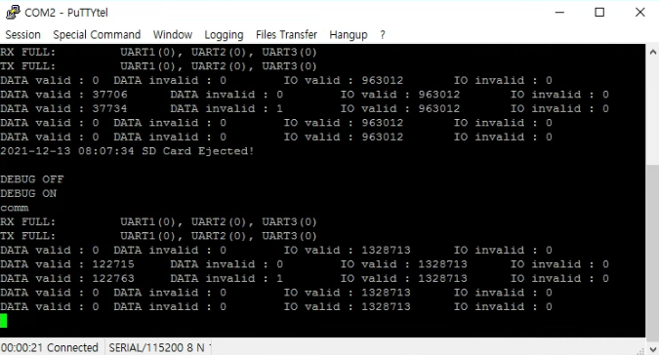

2021-12-13 08:57:58 SD Card Inserted!
2021-12-14 08:35:02 SD Card Ejected!

3일차
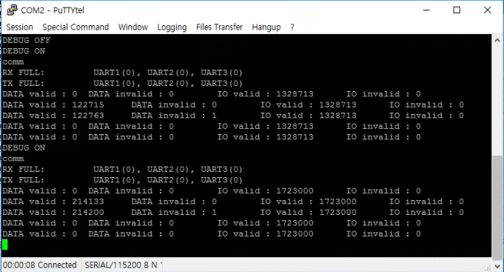

2021-12-14 08:54:08 SD Card Inserted!
2021-12-16 08:27:53 SD Card Ejected!

4일차
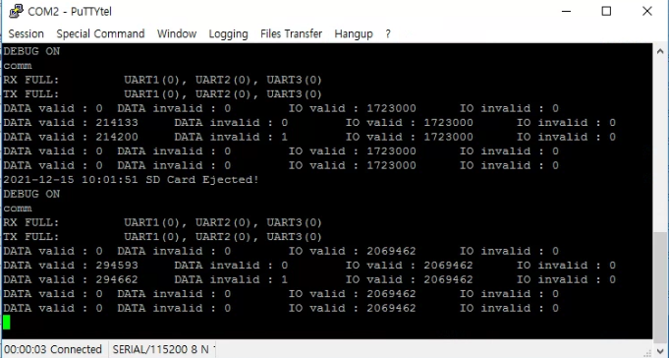

2021-12-16 08:31:47 SD Card Inserted!
2021-12-17 10:25:04 SD Card Ejected!

5-7일차
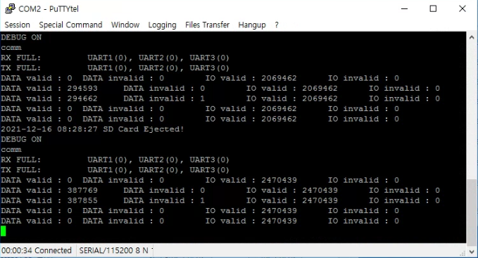

2021-12-17 10:29:03 SD Card Inserted!
2021-12-20 08:21:08 SD Card Ejected!

8일차
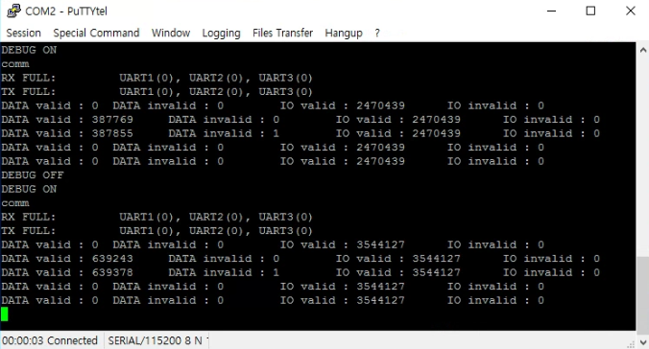

2021-12-20 08:23:37 SD Card Inserted!
2021-12-21 08:39:54 SD Card Ejected!

9일차
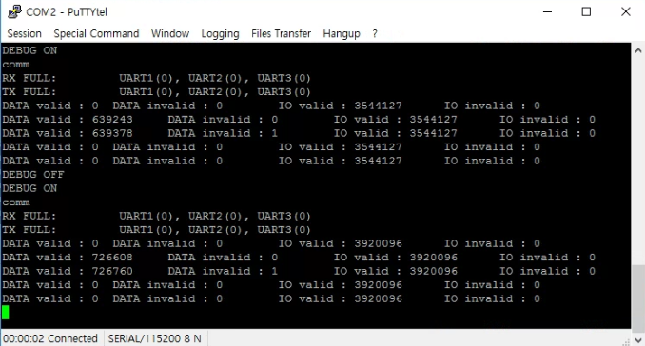

2021-12-21 08:41:28 SD Card Inserted!
2021-12-22 08:12:50 SD Card Ejected!

10-11일차
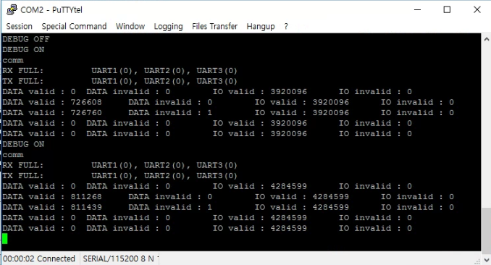

2021-12-22 08:14:45 SD Card Inserted!
2021-12-24 08:03:30 SD Card Ejected!

12-14일차
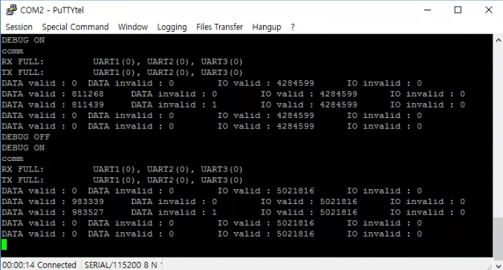

2021-12-24 08:06:00 SD Card Inserted!
2021-12-27 17:30:57 SD Card Ejected!

15-16일차
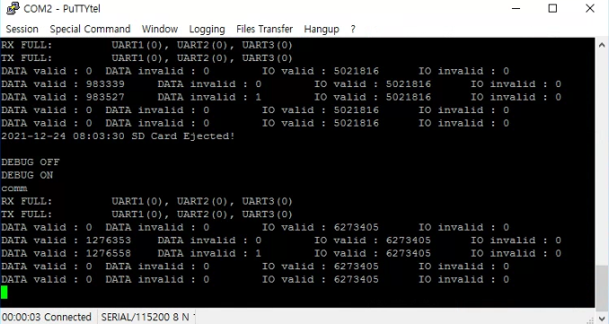

2021-12-27 17:30:58 SD Card Inserted!

17일차
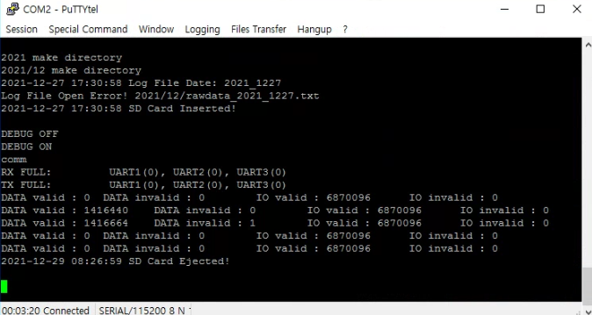

Sheet1
